MEASUR Guide
Guide to Using MEASUR
Below are the steps you should take to input, calculate and extract the values from MEASUR

1 | Fill in the "Collected data" table with all values collected from the client
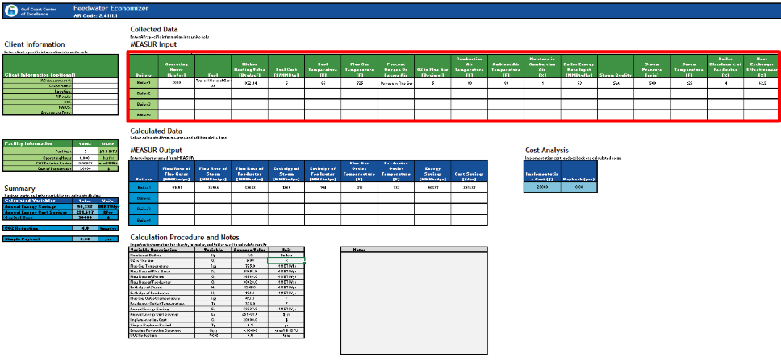

2 | Open MEASUR and select the "Steam" calculators
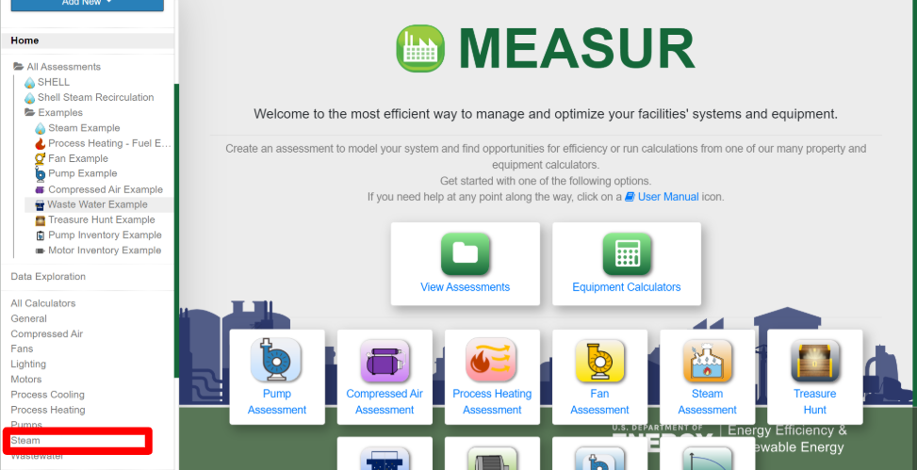

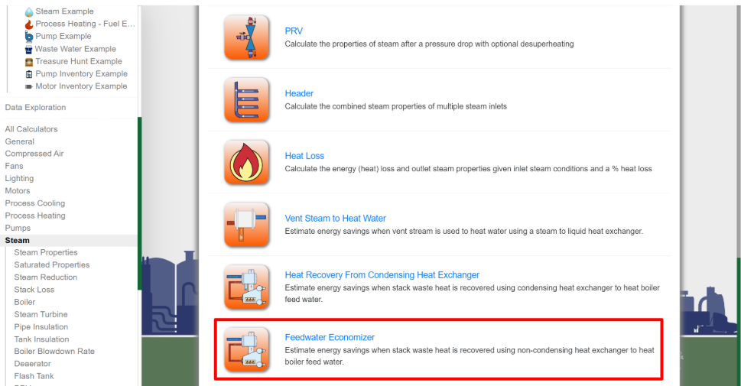
3 | Select the "Feedwater Economizer" calculator

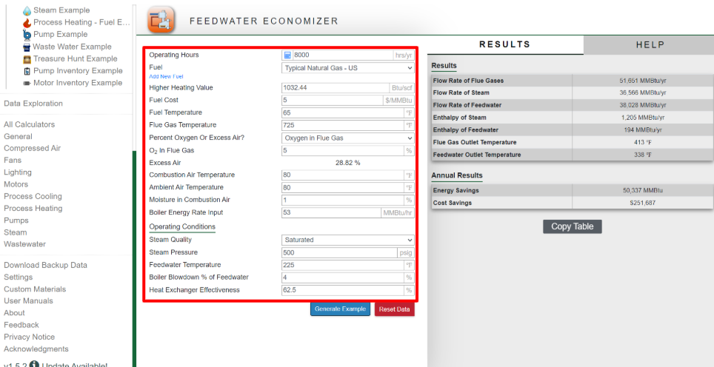
4 | Input values from the "MEASUR Input" table into their corresponding locations in the MEASUR calculator

5 | Return the values from MEASUR into the "MEASUR Output" section for each boiler "Feedwater Economizer" sheet in this document
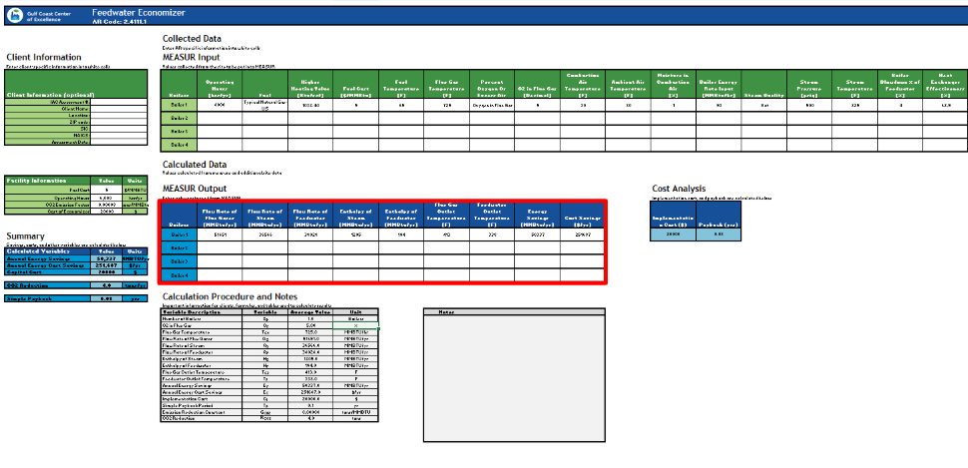

7 | Once all steps above are completed for all boilers Excel will automatically calculate the values needed for your AR

